Welcome >
Welcome to our heat recovery toolkit!

Do you have a commercial kitchen?

We want to show you how to harvest the free heat from your wastewater, which you would otherwise lose through the drain!

This could be your opportunity to save on energy costs and reduce carbon emissions.

Let's get started!

Click through the tabs below until you reach the results.

This toolkit is a part of the Interreg Ireland-Wales project Dwr-Uisce and has been developed by researchers from Bangor University, Wales, UK and Trinity College, Dublin, Ireland. Feel free to click on the link below to learn more about our project or to contact us should you have comments, questions or ideas. We are looking forward to any feedback!
Project website: www.dwr-uisce.eu
Toolkit coordinator: isabel.schestak@bangor.ac.uk


Thanks for making this work possible to:

Disclaimer: Although we have put all our effort into making this toolkit reliable and deliver meaningful insight, results can only be understood as an estimate, as every commercial kitchen and heat recovery case is different. We can therefore not guarantee that your heat recovery installation will generate the results presented here and make no claims of this tool's accuracy. Please do let us know if you are interested in recovering heat and require further advice.

Introduction >
Decision support for heat recovery from kitchen drain water

Who is this toolkit made for?


 | Do you run a restaurant, pub, canteen or café or other commercial kitchen?
 | Are you interested in a low/no cost CO2 mitigation measure?

 | Perfect!
 | This tool shows you how you can recover heat from the wastewater from your kitchen.
 | It will show you the potential financial savings from this heat recovery and also, if and how many emissions you could reduce to make your business greener.
[1]
 | What you need: some information about your water use or the amount of meals served, plus your current energy source for heating.

What does the toolkit calculate?


 | Financial benefits

[2]
 | On the one hand you invest in the equipment, on the other hand you save operational energy costs! The toolkit takes into account the capital costs of heat exchanger, fittings, pipework and pipe insulation.
 | It provides you with estimates on operational savings, investment costs and simple payback time.
 | Environmental benefits

[3]
 | It is similar with environmental benefits: On the one hand, there are emissions generated during manufacture and disposal of the equipment needed. These can be regarded as environmental costs, e.g. carbon costs. On the other hand, emissions are saved through avoidance of energy supply for heating water. These are the operational environmental savings, e.g. carbon emission savings. Emissions from the equipment's life cycle occur during the extraction of raw materials to make them, like copper or crude oil as the energy source; the transport of the materials, the manufacture of the heat exchanger and fittings themselves or their packaging, and their end of life, such as recycling or landfilling. Avoided emissions from your water heating energy source include e.g. direct emissions from the combustion of fossil fuels such as natural gas, but also indirect emissions from the manufacture of wood chips, solar thermal appliances or ground source heat pumps; or the manufacture of wind turbines and hydro power plants delivering green electricity. This toolkit calculates operational carbon savings, the carbon costs of the equipment and the payback time, which considers savings and costs. But you will also find out about other environmental impacts and how the material choice for pipework can influence the results.
 | Conclusion
 | In the end, you should be able to better understand if your kitchen could be suitable for drain water heat recovery.

The heat recovery system >
How does the heat recovery system work?

warm drain water
[1]
 | It is simple! In the heat exchanger, the warm wastewater from your kitchen transfers the heat to the cold water coming from the water supply. The heat exchanger is a double walled copper pipe, as copper is a very heat conductive material. The inner pipe leads the wastewater, the outer pipe the cold water. I.e. both waters are not in direct contact. Once the incoming water is warmed up, it flows to the boiler, where it is heated to its final temperature. Here is, where the energy is saved: your boiler consumes less energy, as it is fed with pre-warmed water. | 
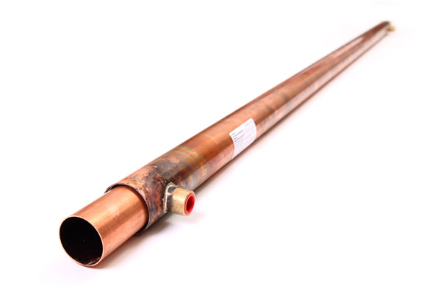
to the drain
boiler
cold water supply
prewarmed water
heat exchanger (ca. 2 m)
pipework
 | Which equipment do I need?
 | The core part is the heat exchanger. And that's almost it.
 | To connect it to the boiler, you will need some fittings and pipework, which is considered in our model, too, including pipe insulation. We assume the pipework to be made from polyethylene for the baseline results. However you will be able to modify this to copper or steel.

 | Is it possible to install this system for my kitchen?

 | You will need a vertical drop in your kitchen drain pipe of about 2 meters:
 | The installation of a vertical heat exchanger requires an approx. 2m high drop of the drain pipe, where it will be replaced by the heat exchanger.
 | Horizontal heat exchangers are less ideal due to a lower efficiency and potential build-up of scale and possible blockage.

[4]
 | What is the service life of the heat exchanger?

[4]
 | We assume a baseline value of 10 years, which is a conservative estimate. You will be able to customise the service life to the time span you are interested in. Manufacturers typically assume a life time of over 20 years.
 | How does the toolkit calculate heat recovery?
 | The toolkit links your water consumption (which can also be derived approximately from the number of meals) with the heat recovery potential per litre of water. The latter is based on averaged real world data from several kitchens, where water consumption, drain water temperature and flows have been monitored.

Results !
We assume a service life of 10 years and plastic (polyethylene = PE) as material for the pipework. Do you want to see how much you can save after a different time or use different material for your pipes? Change it here and compare!
 |  | baseline: | custom:
 | service years | 10 | 10

 | pipe material | plastic (PE) | plastic (PE)
Results

[5]
 | Carbon savings |  |  |  | Heat recovery potential
 |  | baseline: | custom: |  |  | baseline: | custom:
 | Annual carbon savings [kg CO2 eq] | #N/A | #N/A |  | Yearly heat recovery [kWh] | #N/A | #N/A
 | Carbon emissions saved per year through replacement of your current energy source. In CO2 equivalents.
 |  |  |  | This equals | Total heat recovery over life time [kWh] | #N/A | #N/A
 | Total operational carbon savings [kg CO2 eq] | #N/A | #N/A | #N/A

 | Total heat recovery over life time [kWh]
baseline | #N/A
custom | #N/A
 | Total amount of carbon emissions saved during service life. |  |  | avoided car-km per year!

 | Carbon costs [kg CO2 eq] | #N/A | #N/A
 | Carbon emissions generated from manufacture and disposal of the heat recovery equipment.
Total heat recovery [kWh]
 | Carbon payback time [years] | #N/A | #N/A
 | Time of service life after which you start saving carbon emissions and our climate! Considers the carbon investment above.
 | Total operational carbon savings [kg CO2 eq] | Carbon costs [kg CO2 eq]
baseline | #N/A | #N/A
custom | #N/A | #N/A

 |  |  |  |  | Financial assessment
 |  |  |  |  |  | baseline: | custom:
 |  |  |  |  | Annual savings [€] | #N/A | #N/A
 |  |  |  |  | These are the costs you save per year as the heat recovered replaces your usual energy source.

[3]
 |  |  |  |  | Total operational savings [€] | #N/A | #N/A
 |  |  |  |  | The costs you save over the whole service life.

For pros: more environmental payback times
 |  |  |  |  | Investment costs [€] | #N/A | #N/A
 |  |  |  |  | The investment costs include initial spends for heat exchanger, pipework with insulation and fittings.
The graph shows these impacts as payback time - the time it takes till the saved emissions outweigh the occured emissions (or resource depletion) from the manufacture and disposal of the equipment. Note, that no emissions are generated during its use phase. The smaller the bar, the less years, the better!
You will see that the manufacture of the pipework can have bigger environmental impacts and therefore take longer to be paid back, than the impacts from the heat exchanger, if much pipework is needed and made from metals.
It's not only the climate which can benefit from recovering heat and replacing other energy sources - or which is affected by the manufacture of the heat recovery system.
There are more environmental impacts, which help us measure overall sustainability of heat recovery.
We show some of them here:
CC - Climate Change (the famous carbon or greenhouse gas emissions enhancing global warming)
AC - Acidification (emissions contributing to acidification of soils and water)
FE - Freshwater Eutrophication (emissions which over-enrich aquatic ecosystems with nutritional elements)
Ftox - Freshwater Ecotoxicity (toxic emissions harmful to freshwater organisms)
RD - Resource depletion (not emissions, but the depletion of mineral, fossil and renewable resources)
 |  |  |  |  | Simple payback period [years] | #N/A | #N/A
 |  |  |  |  | Time of service life after which your installation costs are paid back through the annual savings above.
 | Total operational savings [€] | Investment costs [€]
baseline | #N/A | #N/A
custom | #N/A | #N/A

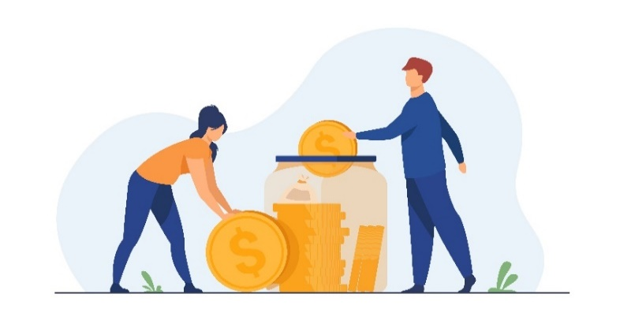

[2]

Environmental payback times (based on customised values)
 | heat exchanger | pipework
CC | #N/A | #N/A
AC | #N/A | #N/A
FE | #N/A | #N/A
FTox | #N/A | #N/A
RD | #N/A | #N/A

 |  |  |  |  | Conclusion (based on customised values)

 |  |  |  |  | Financially:
 |  |  |  |  | #N/A


 |  |  |  |  | Carbon emissions:
 |  |  |  |  | #N/A
 |  |  |  |  | #N/A

[6]
 |  |  |  |  | Other environmental impacts:
 |  |  |  |  | #N/A
 |  |  |  |  | #N/A

